GL Recovery
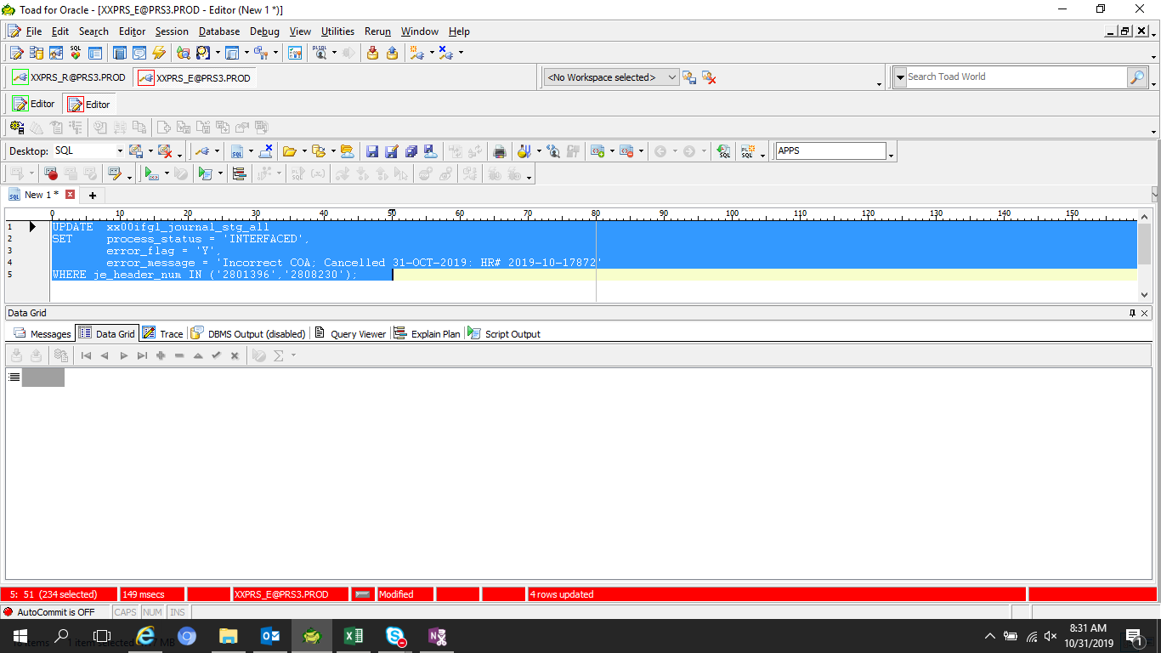

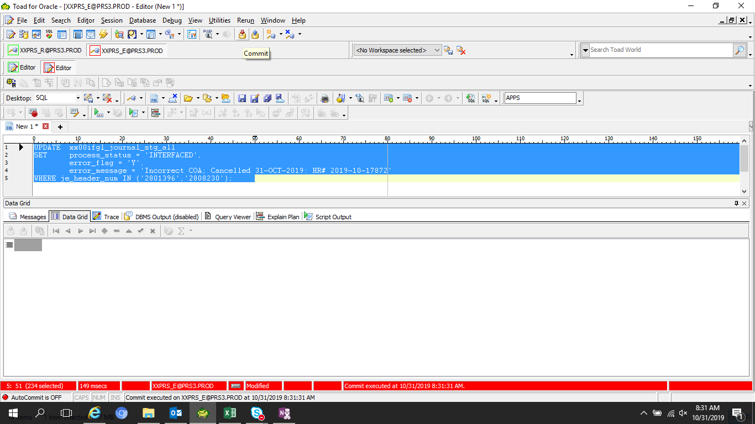



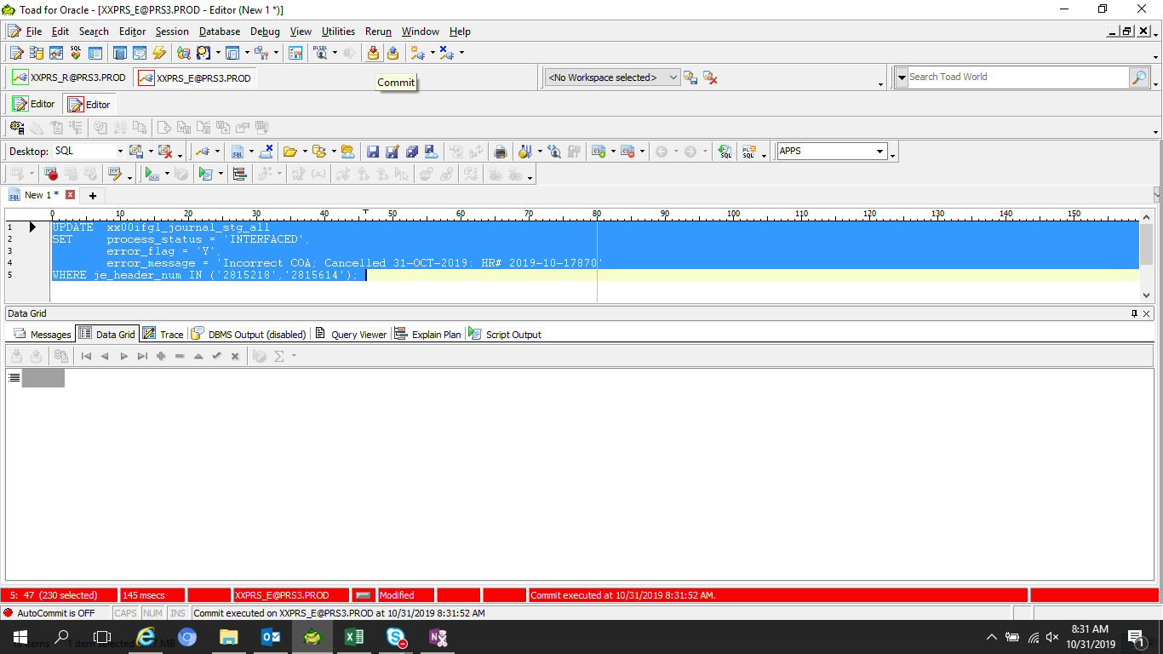



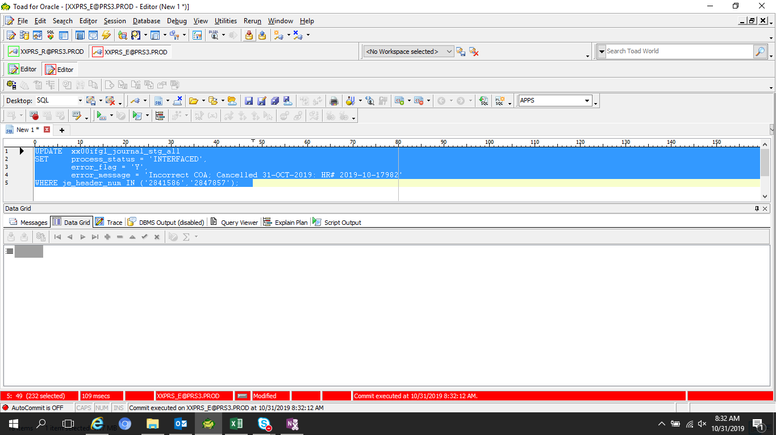

IA Recovery
LEDGER_NAME | ERROR_PROCESS | ERROR_COMMENT_KEY | ERROR_COUNT | ERROR_KEY_INF | CREATION_DATE | CREATED_BY | CANCEL_DATE
T090593_TIP_IFRS | Daily | IAS_ERROR005 | 3 | PO Receipt,SPM,TIPEXP,,,,,2019/10/01,IT00000535 | 10/31/19 | IASS0270
T090593_TIP_IFRS | Daily | IAS_ERROR005 | 1 | PO Receipt,SPM,TIPEXP,,,,,2019/10/01,MS00001552 | 10/31/19 | IASS0270
T090593_TIP_IFRS | Daily | IAS_ERROR005 | -3 | Return to Vendor,SPM,TIPEXP,,,,,2019/10/01,IT00000535 | 10/31/19 | IASS0270
T090593_TIP_IFRS | Daily | IAS_ERROR005 | -1 | Return to Vendor,SPM,TIPEXP,,,,,2019/10/01,MS00001552 | 10/31/19 | IASS0270

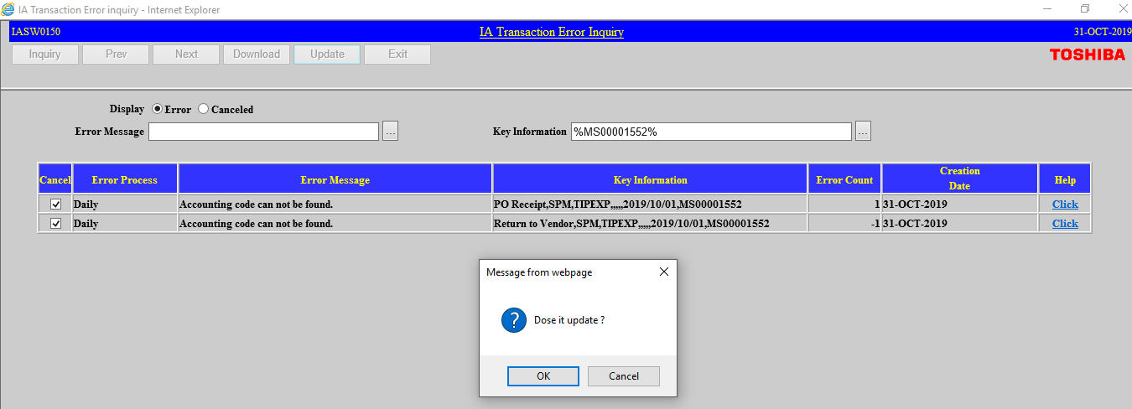

LEDGER_NAME | ERROR_PROCESS | ERROR_COMMENT_KEY | ERROR_COUNT | ERROR_KEY_INF | CREATION_DATE | CREATED_BY | CANCEL_DATE
T090593_TIP_IFRS | Daily | IAS_ERROR999 | 3 | 005:PO Receipt,SPM,TIPEXP,,,,,2019/10/01,IT00000535 | 10/31/19 | IASS0270 | 10/31/19
T090593_TIP_IFRS | Daily | IAS_ERROR999 | 1 | 005:PO Receipt,SPM,TIPEXP,,,,,2019/10/01,MS00001552 | 10/31/19 | IASS0270 | 10/31/19
T090593_TIP_IFRS | Daily | IAS_ERROR999 | -3 | 005:Return to Vendor,SPM,TIPEXP,,,,,2019/10/01,IT00000535 | 10/31/19 | IASS0270 | 10/31/19
T090593_TIP_IFRS | Daily | IAS_ERROR999 | -1 | 005:Return to Vendor,SPM,TIPEXP,,,,,2019/10/01,MS00001552 | 10/31/19 | IASS0270 | 10/31/19

HR
